TalentProfile
number of employee
EmploymentStatus | Active

Row Labels | Count of RoleID
Back End Developer | 71
Front End Developer | 44
Mobile Developer Android | 19
Business Analyst | 13
Product Owner | 12
UI Designer | 9
UX Designer | 7
System Documentation | 6
UX Writer | 3
DevOps Engineer | 3
Mobile Developer iOS | 3
Artificial Intelligent | 1
UX Researcher | 1
Digital Product Manager | 1
Software Architect | 1
Grand Total | 194
Employee Level

EmploymentStatus | Active

Row Labels | Count of EmpID
Junior | 111
Middle | 49
Senior | 34
Grand Total | 194

Employee Gender
EmploymentStatus | Active

Row Labels | Count of EmpID
Junior | 111
F | 59
M | 52
Middle | 49
F | 24
M | 25
Senior | 34
F | 26
M | 8
Grand Total | 194

EmploymentStatus | Active

Row Labels | Count of EmpID
Married | 101
Not married | 93
Grand Total | 194

TalentPerformance
Performance Score
EmploymentStatus | Active
LevelID | (All)

Row Labels | Count of EmpID
Average | 58
Exceed | 46
Fully meets | 52
Need improvement | 23
Special treatment | 15
Grand Total | 194
Satisfaction Score
EmploymentStatus | Active
LevelID | (All)

Row Labels | Count of EmpID
1 | 2
2 | 5
3 | 71
4 | 50
5 | 66
Grand Total | 194

Engangement Score
EmploymentStatus | Active
LevelID | (All)

Row Labels | Count of EmpID
1 | 2
2 | 9
3 | 22
4 | 88
5 | 73
Grand Total | 194

Answer
 | Fakta yang ada:
 | a. Jumlah talent di Tribe dan Squad tidak merata.
 | b. Pengukuran performansi, employee satisfaction dan employee engagement hanya berhenti di survey, tidak ada tindak lanjutnya.

1 | Buatlah visualisasi (dengan menggunakan Google Data Studio/ Tableau/ Power BI atau lainnya) yang dapat menunjukkan informasi dan insight kepada management terkait:
 | a. Profil talent di Perusahaan X
Employee Level
 | Total
Junior | 111
Middle | 49
Senior | 34
Employee Gender
 | Total
F | 59
M | 52
F | 24
M | 25
F | 26
M | 8
number of employee
 | Total
Back End Developer | 71
Front End Developer | 44
Mobile Developer Android | 19
Business Analyst | 13
Product Owner | 12
UI Designer | 9
UX Designer | 7
System Documentation | 6
UX Writer | 3
DevOps Engineer | 3
Mobile Developer iOS | 3
Artificial Intelligent | 1
UX Researcher | 1
Digital Product Manager | 1
Software Architect | 1

 | Total
Married | 101
Not married | 93

 | b. Kebutuhan rekrut di 2021
 | EmploymentStatus | Active

 | Count of EmpID | Column Labels
 | Row Labels | Artificial Intelligent | Back End Developer | Business Analyst | DevOps Engineer | Digital Product Manager | Front End Developer | Mobile Developer Android | Mobile Developer iOS | Product Owner | Software Architect | System Documentation | UI Designer | UX Designer | UX Researcher | UX Writer | Grand Total
 | COM |  | 13 | 1 | 2 |  | 4 | 2 | 1 | 5 |  | 1 | 2 | 2 |  | 1 | 34
 | EDU | 1 | 8 | 1 |  |  | 6 |  |  |  |  |  | 2 | 2 | 1 | 1 | 22
 | ENT |  | 5 | 3 |  |  | 3 | 1 | 1 |  | 1 |  |  |  |  |  | 14
 | EWD |  | 12 | 4 | 1 |  | 8 | 4 |  | 4 |  | 1 | 2 | 2 |  |  | 38
 | FIN |  | 7 | 3 |  |  | 10 | 3 |  | 2 |  | 2 | 2 |  |  | 1 | 30
 | HLT |  | 4 |  |  | 1 | 2 | 1 |  |  |  |  | 1 |  |  |  | 9
 | IHL |  | 3 |  |  |  | 3 |  |  |  |  |  |  |  |  |  | 6
 | IHX |  | 11 | 1 |  |  | 3 | 3 |  |  |  |  |  |  |  |  | 18
 | LGT |  | 2 |  |  |  |  | 2 |  | 1 |  | 1 |  |  |  |  | 6
 | VGA |  | 6 |  |  |  | 5 | 3 | 1 |  |  | 1 |  | 1 |  |  | 17
 | Grand Total | 1 | 71 | 13 | 3 | 1 | 44 | 19 | 3 | 12 | 1 | 6 | 9 | 7 | 1 | 3 | 194

 | Asumsi | 1 | 6 | 1 | 1 | 1 | 6 | 2 | 1 | 2 | 1 | 1 | 2 | 2 | 1 | 1 | 29
 | Total Asumsi u/ 10 Tribe | 10 | 60 | 10 | 10 | 10 | 60 | 20 | 10 | 20 | 10 | 10 | 20 | 20 | 10 | 10 | 290
 | Recruitment Need | 9 | 0 | 0 | 7 | 9 | 16 | 1 | 7 | 8 | 9 | 4 | 11 | 13 | 9 | 7 | 110

 | c. Performansi talent saat ini
Performance Score
 | Total
Average | 58
Exceed | 46
Fully meets | 52
Need improvement | 23
Special treatment | 15
Satisfaction Score
 | Total
1 | 2
2 | 5
3 | 71
4 | 50
5 | 66
Engangement Score
 | Total
1 | 2
2 | 9
3 | 22
4 | 88
5 | 73

2 | Rekomendasi untuk Manager HR
 | Rekomendasi 1

 | Rekomendasi 2
 | Dari perhitungan asumsi untuk perekrutan employee baru bahwa dibutuhkan employee baru sekitar 110 orang dengan jumlah per Role sebagai berikut

 | Artificial Intelligent |  |  |  |  |  |  |  |  |  |  |  |  |  | 9
 | Back End Developer
 | Business Analyst
 | DevOps Engineer
 | Digital Product Manager
 | Front End Developer
 | Mobile Developer Android
 | Mobile Developer iOS
 | Product Owner
 | Software Architect
 | System Documentation
 | UI Designer
 | UX Designer
 | UX Researcher
 | UX Writer
 | Grand Total

Answer (Power BI)
 | Fakta yang ada:
 | a. Jumlah talent di Tribe dan Squad tidak merata.
 | b. Pengukuran performansi, employee satisfaction dan employee engagement hanya berhenti di survey, tidak ada tindak lanjutnya.

1 | Buatlah visualisasi (dengan menggunakan Google Data Studio/ Tableau/ Power BI atau lainnya) yang dapat menunjukkan informasi dan insight kepada management terkait:
 | a. Profil talent di Perusahaan X
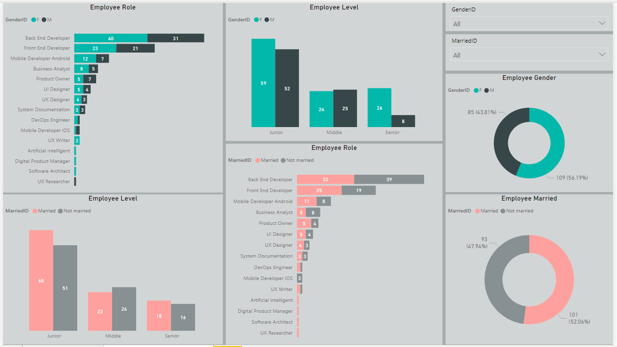

 | b. Kebutuhan rekrut di 2021
 | EmploymentStatus | Active

 | Count of EmpID | Column Labels
 | Row Labels | Artificial Intelligent | Back End Developer | Business Analyst | DevOps Engineer | Digital Product Manager | Front End Developer | Mobile Developer Android | Mobile Developer iOS | Product Owner | Software Architect | System Documentation | UI Designer | UX Designer | UX Researcher | UX Writer | Grand Total
 | COM |  | 13 | 1 | 2 |  | 4 | 2 | 1 | 5 |  | 1 | 2 | 2 |  | 1 | 34
 | EDU | 1 | 8 | 1 |  |  | 6 |  |  |  |  |  | 2 | 2 | 1 | 1 | 22
 | ENT |  | 5 | 3 |  |  | 3 | 1 | 1 |  | 1 |  |  |  |  |  | 14
 | EWD |  | 12 | 4 | 1 |  | 8 | 4 |  | 4 |  | 1 | 2 | 2 |  |  | 38
 | FIN |  | 7 | 3 |  |  | 10 | 3 |  | 2 |  | 2 | 2 |  |  | 1 | 30
 | HLT |  | 4 |  |  | 1 | 2 | 1 |  |  |  |  | 1 |  |  |  | 9
 | IHL |  | 3 |  |  |  | 3 |  |  |  |  |  |  |  |  |  | 6
 | IHX |  | 11 | 1 |  |  | 3 | 3 |  |  |  |  |  |  |  |  | 18
 | LGT |  | 2 |  |  |  |  | 2 |  | 1 |  | 1 |  |  |  |  | 6
 | VGA |  | 6 |  |  |  | 5 | 3 | 1 |  |  | 1 |  | 1 |  |  | 17
 | Grand Total | 1 | 71 | 13 | 3 | 1 | 44 | 19 | 3 | 12 | 1 | 6 | 9 | 7 | 1 | 3 | 194

 | Asumsi | 1 | 6 | 1 | 1 | 1 | 6 | 2 | 1 | 2 | 1 | 1 | 2 | 2 | 1 | 1 | 29
 | Total Asumsi u/ 10 Tribe | 10 | 60 | 10 | 10 | 10 | 60 | 20 | 10 | 20 | 10 | 10 | 20 | 20 | 10 | 10 | 290
 | Recruitment Need | 9 | 0 | 0 | 7 | 9 | 16 | 1 | 7 | 8 | 9 | 4 | 11 | 13 | 9 | 7 | 110

 | c. Performansi talent saat ini
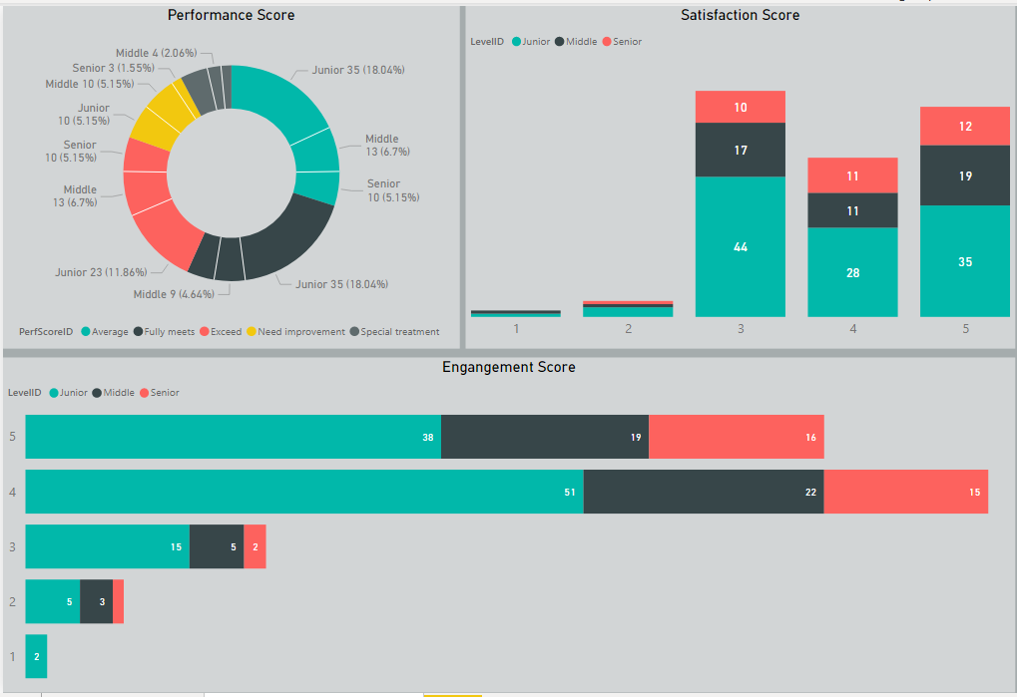

2 | Rekomendasi untuk Manager HR
 | Rekomendasi 1

 | Rekomendasi 2
 | Dari perhitungan asumsi untuk perekrutan employee baru bahwa dibutuhkan employee baru sekitar 110 orang dengan jumlah per Role sebagai berikut

 | Artificial Intelligent |  |  |  |  |  |  |  |  |  |  |  |  |  | 9
 | Back End Developer
 | Business Analyst
 | DevOps Engineer
 | Digital Product Manager
 | Front End Developer
 | Mobile Developer Android
 | Mobile Developer iOS
 | Product Owner
 | Software Architect
 | System Documentation
 | UI Designer
 | UX Designer
 | UX Researcher
 | UX Writer

